Disclaimer & Instructions
DISCLAIMER:
This item has been coded according to G4G 2.0 standards and is available in the G4G Ready-to-Use (RTU) Item database for use in military food operations. Inclusion in the RTU database does not imply endorsement of the product or company by DoD, Uniformed Services University of the Health Sciences, or the DoD G4G 2.0 program. The Go for Green® (G4G) term and symbols are trademarked by the U.S. Army. Any use of G4G name, logo, and symbols is not allowed by commercial entities in advertising or on product packaging labels without express written consent of the U.S. Army.

Note: RTU items in this database have been coded according to the G4G 2.0 coding algorithm, however items have not been evaluated against DoD Menu Standards. For use in appropriated fund facilities, please ensure compliance with the DoD Menu Standards.

CONTENTS OF TABS:
Individually Packaged: All individual ready-to-use items that have been coded
Green Beverages Only: Individual beverages that are Green coded
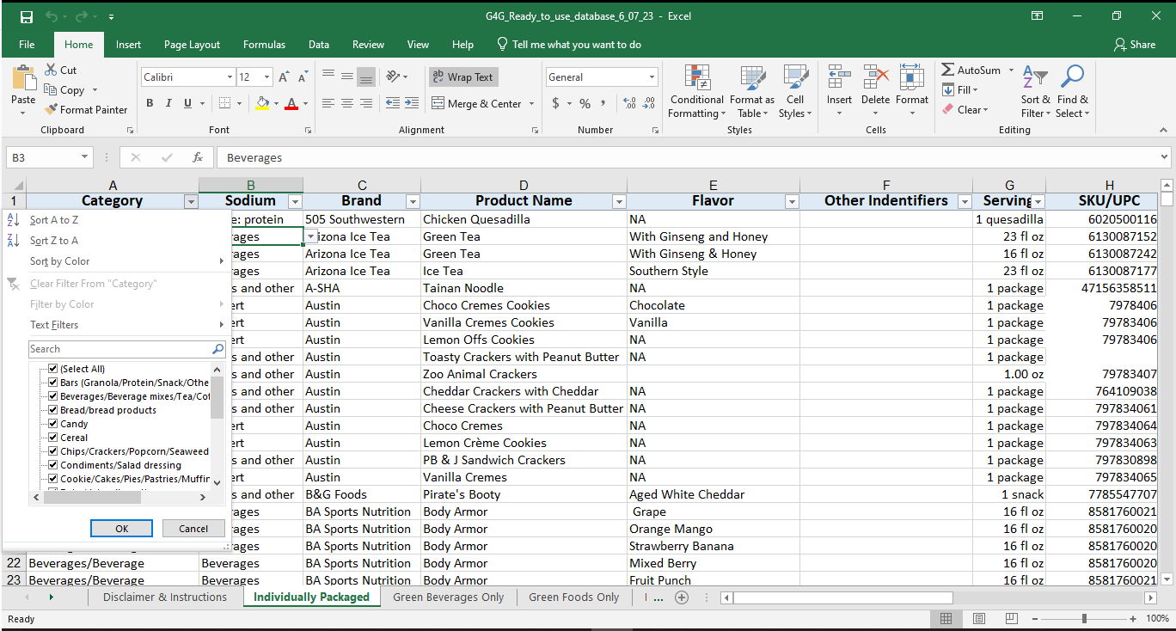
Green Foods Only: Individual food items that are Green coded
Bulk Items: All bulk ready-to-use items that have been coded
Notes: Category lists with notes

INSTRUCTIONS:
How to filter:
1. Click the downward arrow next to the column you'd like to filter (see picture)
2. Make sure whichever categories you want shown are checked and all other are unchecked
The easiest way to do this is to click the check next to "Select (All)", which will deselect all categories, then reselect each category you want shown.
For example: If you would like to only see beverages deselect all catergories and select "Beverages/Beverage mixes/Tea/Coffee"

Notes
Coder notes:
Ice cream will code as dessert rather than dairy.
If a "single serve" pack contains more than one serving, and it is likely that the consumer will eat the whole pack, code based on the whole pack.
If coding based on servings vs whole pack note that in the database.
Sodium Category | Menu Category
Entrée: protein, vegetable, starch | Bars (Granola/Protein/Snack/Other)
Entrée: protein and vegetable | Beverages/Beverage mixes/Tea/Coffee
Entrée: protein and starch | Bread/bread products
Protein only | Candy
Grains and other starches | Cereal
Vegetables | Chips/Crackers/Popcorn/Seaweed and Veg Chips/Savory
Soup | Condiments/Salad dressing
Dairy | Cookie/Cakes/Pies/Pastries/Muffins
Condiments, Gravies | Dairy/dairy alternatives
Dessert | Deli meat
Beverages | Egg products
Fruits | Fats and Oils
 | Fish and seafood
 | Fruit
 | Grains/pasta/legumes
 | Meat and poultry
 | Nuts/seeds/Trail mix
 | Sandwhich/hand-held
 | Sauce/gravy
 | Soups
 | Vegetables

